Yeni Filmler
YENİ FİLMLER
2026-08-21

FİLM | TÜR | YÖNETMEN | OYUNCULAR | KONUSU | GÖRSEL
Ruhlar Bölgesi : Aramızdalar | Korku, Gerilim, Gizem | Jacob Chase | Amelia Eve, Sam Spruell , Lin Shaye | Film, kızını kendisinin doğup büyüdüğü evde büyüten genç anne Gemma'nın , Insidious evreninin kalbindeki kayıp ruhların araf alemine uzandığını keşfetmesiyle yaşananları konu ediniyor | 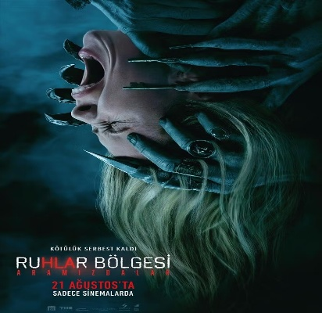
Tempus | Gerilim, Gizem | Evren Özgür | Halil İbrahim Kalaycıoğlu, Melda Arat, Şehmus Kartal | 1960’lı yıllarda, 60 yaşındaki akademisyen Prof. Dr. Ömer Faruk Toprak, kanser hastalığının son evresine girdiğinde, çocukluğundan beri zihnini meşgul eden gizemli bir olayı aydınlatmak üzere yıllar sonra Gaziantep’e gelir. Profesör, zamanın büküldüğüne inanılan kozmik bir geçidin yerini bilen tek kişidir ve hayatının son günlerini bu sırrın peşinde geçirmeyi seçer. Hedefine ulaşmak amacıyla bir doktoru, eski bir askeri ve asistanı Ayla’yı bir araya getirerek küçük bir ekip oluşturur. | 
Fırtına Ekip Yollarda | Macera, Komedi, Animasyon | Feyzullah Taş |  | Kayıp babaya ulaşmak için yollara düşen bu renkli ekip, yol boyunca kendilerini hiç beklemedikleri absürt tehlikelerin, komik ve heyecan dolu maceraların içinde bulur. | 
Gerçek Kayıtlar: Vaka 7 | Korku | Burak Küçük | Aylin Tahta, Murat Seviş, Berke Adıyaman | Film, iki hastasının sürekli söylediği aynı kelimeyi babaannesinin de günlerce sayıkladığını öğrendikten sonra durumu incelemek için kamerasıyla onun yanına giden nöro kriminoloji uzmanı Meltem'in yaşadıklarını anlatıyor. | 
Cesur Denizciler: Okyanus Macerası | Macera, Animasyon | Philippe Arseneau Bussieres, Emilie Rosas , Nancy Florence Savard |  | Cesur denizci Lydia, kaybolan kardeşini bulmak için uçan bir gemiyle unutulmaz bir yolculuğa çıkar. Bu büyük macerada, anılarından büyülü takımyıldızları oluşturabildiğini keşfeder. Genç denizci Lucas ve sevimli dostu Critter ile güçlerini birleştiren Lydia, dostluk, cesaret ve takım çalışmasının önemini öğrenirken okyanusun en heyecan dolu macerasına yelken açar. | 
Davet | Gerilim, Komedi, Dram | Olivia Wilde | Seth Rogen, Olivia Wilde, Edward Norton | Eski bir çiftin ev sahipliği yaptığı akşam yemeği, misafir olarak katılan yeni bir çiftin beklenmedik açıklamaları ve başlattıkları psikolojik oyunlarla gerilim dolu bir yüzleşmeye dönüşür. | 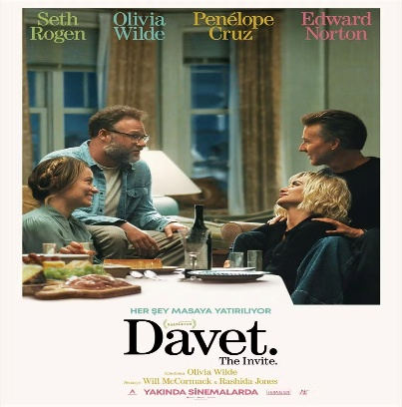
Evcil Kahramanlar | Komedi, Animasyon | Kevin Donovan , Gottfried Roodt |  | Şımarık gösteri köpeği Gracie ile sokak kedisi Pedro , ailelerinin taşınması sırasında yollarını kaybedince kendilerini evlerinden kilometrelerce uzakta bulur. Eve dönebilmek için anlaşmayı öğrenmek zorunda kalan bu zıt ikili, birbirinden komik ve heyecan dolu bir maceraya atılır. | 